UserGuide
User Guide
START NOW
Workflow Overview
1. Client stages a ticket from 3rd party OMS to REDI via FIX
2. REDI backend feeds FIX ticket into REDIPlus API
3. This Excel API sheet receives a FIX ticket and creates child orders off of the FIX ticket based on routing rule configured by Excel API user
4. REDIPlust API sends child orders to REDI backend
5. REDI Backend sends child orders to brokers

3rd Party OMS
REDI Backend
REDIPlus API
Broker 2
Broker 3
Broker 1
1
2
3
4
5

Routing Rule Configuration
1. Click 'Load Destination' button to get list of entitled destinations
+ Add destinations
+ Add % of order flow for each destination
2. Click 'Activate Rule' to apply the routing rule for all incoming FIX tikcet flow
3. Click 'Deactivate Rule' to stop auto order routing off of ticket

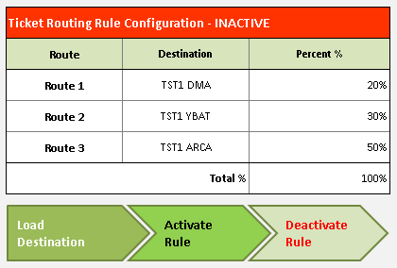
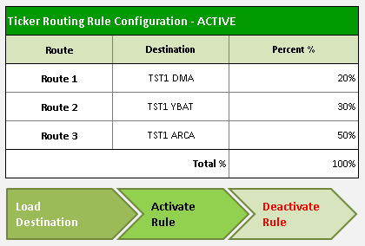
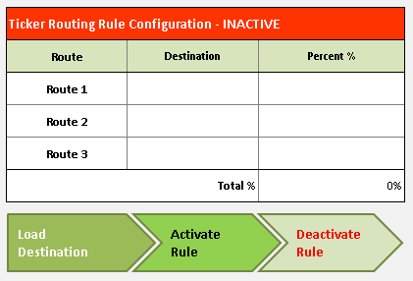
2
1
3

FIX Ticket Entry & Auto Order Routing
1. Use 3rd Party OMS or EMS to stage FIX ticket to REDI
+ This Excel API sheet will split tickets in to child orders and route them out to configured destiantions automatically
2. Monitor FIX Ticket(s) and its child orders
+ User can monitor progress of each order, and aggregated view for the parent Ticket
+ User can also see the execution quality (under 'ExecQuality) of each child order and aggrecated view for the parent Ticket
- ExecQuality: (+) Positive value means execution quality is better than real time benchmark VWAP price
(-) Negative value means execution quality is worse than real time benchmark VWAP price

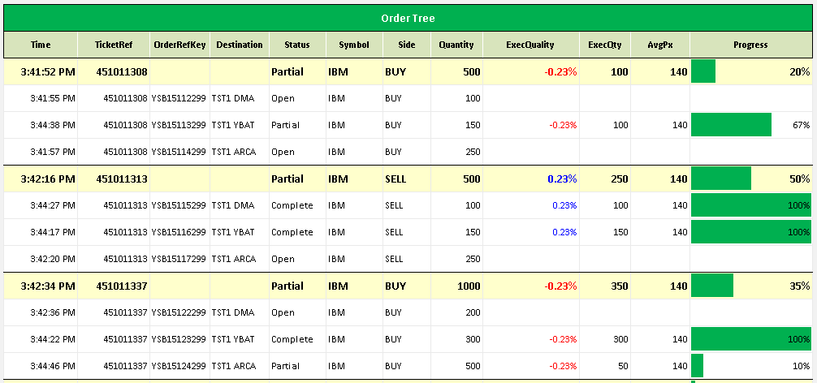
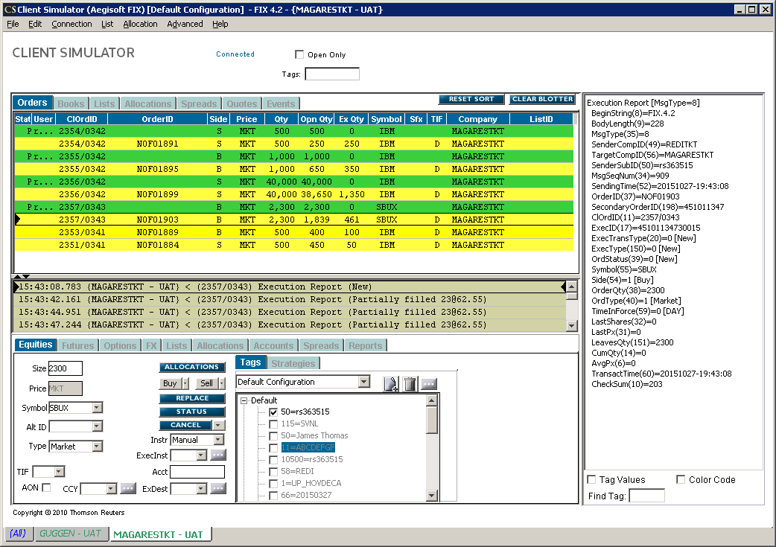
1
2

Clear Ticket & Order List
1. Click 'Clear Order List' button
+ Please note this button does not cancel all outstatnd tickets and order

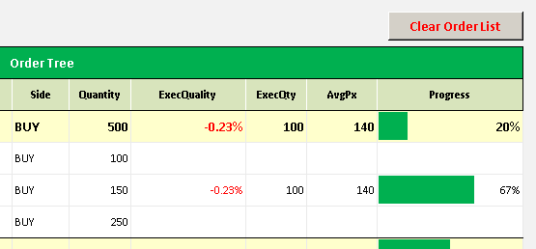
1

REDIFIXTicketRouter
Trading Tool| FIX Auto Order Router
Ticker Routing Rule Configuration - INACTIVE |  |  | Order Tree
Route | Destination | Percent % | Time | TicketRef | OrderRefKey | Destination | Status | Symbol | Side | Quantity | ExecQuality | ExecQty | AvgPx | Progress
Route 1 | BETA DMA | 20%
Route 2 | BETA DMA | 30%
Route 3 | BETA DMA | 50%
Total % |  | 100%
Load
Destination
Activate Rule
Deactivate
Rule

REDISettings
Order Entry Settings
Trading Account | Side | Destinations | Price Type | TIF | User
00941000 | Buy | ADAM SHARES | Limit | Day | rs365024
00999900 | Sell | AFCO SHARES | Limit Close
460X0409 |  | ALBM ALGO | Stop
666TEST1-T |  | ALBM DMA | Stop Limit
BSLSFUND_H |  | ALBT DMA | Market Close
BSLSFUND_S |  | ALPH ALGO | Market
 |  | ALPH DMA
 |  | ALSB ALGO
 |  | ALSB DMA
 |  | APEX DMA
 |  | APX4 AMEX
 |  | APX4 ARCA
 |  | APX4 BATSECN
 |  | APX4 CBSX
 |  | APX4 EDGAECN
 |  | APX4 EDGXECN
 |  | APX4 NQBX
 |  | APX4 NQPX
 |  | APX4 NSDQ
 |  | APX4 NSX
 |  | APX4 NYSE
 |  | APX5 DMA
 |  | ATMC SHARES
 |  | AVON SHARES
 |  | AVUS SHARES
 |  | AXTN ALGO
 |  | AXTN DMA
 |  | BARC ALGO
 |  | BARC DMA
 |  | BARC SHARES
 |  | BARD SHARES
 |  | BARE ALGO
 |  | BARK DMA
 |  | BEJB SHARES
 |  | BERN ALGO
 |  | BERN SHARES
 |  | BETA ALGO
 |  | BETA AMEX
 |  | BETA ARCA
 |  | BETA DMA
 |  | BETA EDGXECN
 |  | BETA NYSE
 |  | BETA SHARES
 |  | BML2 ALGO
 |  | BML2 DMA
 |  | BML2 SHARES
 |  | BMO Algos
 |  | BMO DMA
 |  | BMO SHARES
 |  | BMOC ALGO
 |  | BMRK SHARES
 |  | BMUR SHARES
 |  | BNPB ALGO
 |  | BNPC Algo
 |  | BNPC DMA
 |  | BNPC SHARES
 |  | BNPD DMA
 |  | BNPP ALGO
 |  | BNPP SHARES
 |  | BNPS ALGO
 |  | BOFA Algo
 |  | BOFA DMA
 |  | BOFA SHARES
 |  | BRAW SHARES
 |  | BTID SHARES
 |  | BTIG ALGO
 |  | BTIG Prim2
 |  | CANA ALGO
 |  | CITS ALGO
 |  | COWN Algo
 |  | COWN SHARES
 |  | DBAB ALGO
 |  | DBAB PT
 |  | DBAB SHARES
 |  | DEMA SHARES
 |  | DEMO DMA
 |  | DEMO SHARES
 |  | GSCB SHARES
 |  | GSCE Algo
 |  | GSCE DMA
 |  | GSDE Algo
 |  | GSDE AMEX
 |  | GSDE ARCA
 |  | GSDE BATSECN
 |  | GSDE CBSX
 |  | GSDE CHX
 |  | GSDE EDGAECN
 |  | GSDE EDGXECN
 |  | GSDE IEX
 |  | GSDE NQBX
 |  | GSDE NQPX
 |  | GSDE NSDQ
 |  | GSDE NYSE
 |  | GSDE YBAT
 |  | JPMNA ALGO
 |  | MSCS DMA
 |  | NORT SHARES
 |  | PERE ALGO
 |  | PERE DMA
 |  | PERS DMA
 |  | RBC Algos
 |  | SGUS DMA
 |  | SGUS SHARES
 |  | SUNT DMA
 |  | SUNT SHARES
 |  | TSBX DMA
 |  | TST1 Algo
 |  | TST1 ARCA
 |  | TST1 BIDS
 |  | TST1 DMA
 |  | TST1 EDGAECN
 |  | TST1 IEX
 |  | TST1 SHARES
 |  | TST1 YBAT
 |  | TST4 DMA
 |  | TST4 SHARES
 |  | TST5 DMA
 |  | TST5 SHARES
 |  | TST6 DMA
 |  | TST6 SHARES
 |  | UBS Algo
 |  | UBSS Algos

Disclaimer
Disclaimer
REDI Global Technologies LLC (member FINRA), REDI Technologies Limited (FCA #612490) and their affiliates (collectively, “REDI”) may make available application programming interface (“API”) specifications, including sample code, for use solely in connection with a user’s internal non-commercial development purposes, in accordance with a user’s agreement with REDI and this REDI API Specification document. No right, title or interest is granted in or to the API specifications and user agrees at all times to treat these materials in a confidential and secure manner. By utilizing API specifications provided by REDI, the user of the API specifications understands that use of such specifications may affect live trading. The user of the API specifications assumes all responsibility for any action, or lack thereof, taken in a live trading environment including but not limited to execution of orders, cancellation of orders, modification of orders, analysis of market data, or the calculation of any position, order, complex order, or spread. The API specifications are provided on an “as is” basis and without warranty of any kind. REDI specifically disclaims all warranties for use of API specifications, express or implied, including implied warranties of merchantability, fitness for a particular purpose, title, infringement, and operation of the API specifications with the REDIPlus System. REDI does not warrant that use of the API specifications will be uninterrupted, error-free, timely, complete, accurate or that defects in the foregoing can or will be corrected. REDI does not make any warranties as to the results to be obtained from use of the API specifications and use of the API specifications and any reliance thereon is at the user’s sole risk. No oral or written information or advice given by REDI shall create any warranties or in any way increase the scope of REDI’s obligations. This document has been prepared for informational purposes only. Except as otherwise expressly permitted herein, the modification, reformatting, copying, downloading, storing, reproduction, or retransmission of API specifications is prohibited. All materials and services provided to you by REDI are governed by the terms of any applicable agreements with REDI. IN NO EVENT WILL REDI OR ITS THIRD PARTY PROVIDERS BE LIABLE FOR ANY DAMAGES, INCLUDING WITHOUT LIMITATION DIRECT OR INDIRECT, SPECIAL, INCIDENTAL, OR CONSEQUENTIAL DAMAGES, LOSSES OR EXPENSES ARISING IN CONNECTION WITH API SPECICATIONS.

